Audit Requirement Instructions
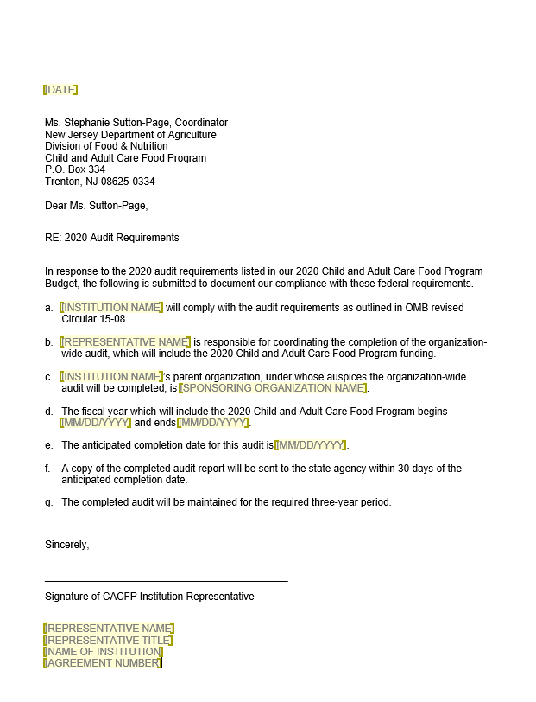
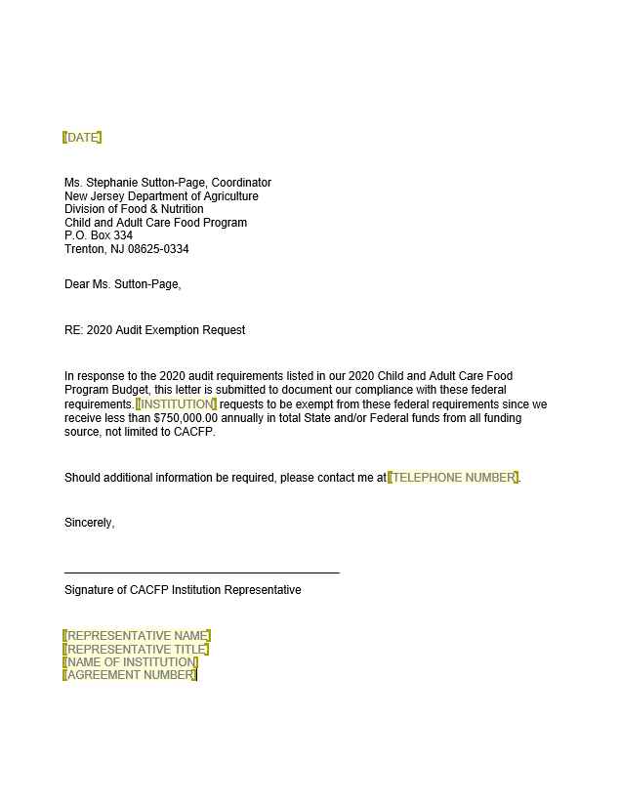
2022 NJ CACFP Audit Requirements Instructions

Audit Certifications: All CACFP Institutions must abide by audit regulations and are required to certify that this institution meets the indicated threshold for expending federal funds annually, which includes CACFP funds. According to program regulations, an audit is required when an institution expends $750,000 or more in federal funds. The Institution representative must further certify the audit will be submitted to the Federal Audit Clearinghouse (FAC) at the following web address: https://harvester.census.gov/facweb/. As a reminder to all Institutions, also known as subrecipients, the following audit requirements will apply to both nonprofit and for-profit institutions: If the sub-recipient expended $750,000 or more in federal funds during its fiscal year and all of the funds came from CACFP, then a program specific audit or a single audit will be required to be submitted to the FAC and NJDA. (Select Certification Box 1. on the Budget) If the sub-recipient expended $750,000 or more in federal funds, which included CACFP and other federal funds, or if the sub-recipient expended $750,000 in state funds (in addition to CACFP funds), then a single audit would be required to be submitted to the FAC and the cognizant agency. (Select Certification Box 2. on the Budget)
If the sub-recipient expended less than $750,000 in federal funding and less than $750,000 in state funding during its fiscal year, but the combined total federal and state funding expended was greater than $100,000, then a Yellow Book Financial Statement audit would be required to be submitted directly to the cognizant agency. (Select Certification Box 3. on the Budget) If the sub-recipient expended less than $750,000 during its fiscal year and all of the funds came from CACFP, then no audit is required. (Select Certification Box 4. on the Budget) NOTE: Copies of the fillable CACFP Audit Letter and Audit Exemption Request Letter are provided as separate documents and are not included in this Excel Workbook. If you did not receive copies of these letters, please contact your Nutrition Program Specialist. After Completing the Audit Certification Check Boxes, please be sign the budget before returning to your Nutrition Program Specialist.

Figure 13.

Figure 14. | Figure 15.

